Location Plan & Summary
Intelligent Data Collection Limited

Client: | Bristol City Council |  |  | Date of Survey: |  | 09.07.2015
Project Number: | ID02343 |  |  | Site Name: |  | Hinton Road
Site Number: | ATC Site 1 |  |  | Survey Type: |  | Two-way Link Count

X Coordinate |  | Y Coordinate |  |  | Google Maps Link
51.467174 |  | -2.558227 |  |  | Click Here
AM Peak Conditions |  | Inter-Peak Conditions |  |  | PM Peak Conditions
Clear and Sunny |  | Clear and Sunny |  |  | Clear and Sunny
Junction Layout

N
 |  |  |  |  |  | Arm B - Greenbank Road (N)

 |  |  | Arm A - Co-Operation Road (S)

Aerial Mapping and On-site Camera View
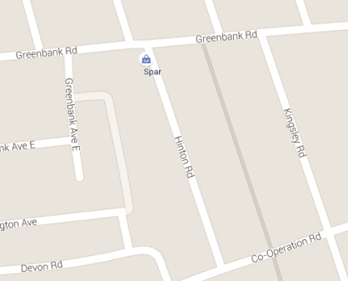
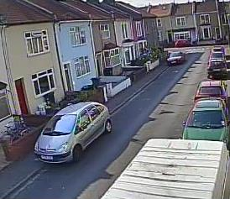

Arm A - Co-Operation Road (S)

Arm B - Greenbank Road (N)

Junction Flow Profile
Arm Approach Flows (All Vehicles)
 | A to B (Northbound) | B to A (Southbound) | Two-way Total
7:00:00 | 8 | 4 | 12
7:15:00 | 8 | 3 | 11
7:30:00 | 12 | 3 | 15
7:45:00 | 13 | 6 | 19
8:00:00 | 20 | 4 | 24
8:15:00 | 16 | 8 | 24
8:30:00 | 17 | 7 | 24
8:45:00 | 20 | 9 | 29
9:00:00 | 12 | 6 | 18
9:15:00 | 9 | 4 | 13
9:30:00 | 13 | 6 | 19
9:45:00 | 15 | 3 | 18
10:00:00 | 8 | 6 | 14
10:15:00 | 8 | 4 | 12
10:30:00 | 7 | 1 | 8
10:45:00 | 8 | 5 | 13
11:00:00 | 5 | 5 | 10
11:15:00 | 8 | 6 | 14
11:30:00 | 5 | 3 | 8
11:45:00 | 5 | 7 | 12
12:00:00 | 9 | 7 | 16
12:15:00 | 8 | 5 | 13
12:30:00 | 8 | 4 | 12
12:45:00 | 8 | 3 | 11
13:00:00 | 7 | 8 | 15
13:15:00 | 9 | 7 | 16
13:30:00 | 8 | 1 | 9
13:45:00 | 6 | 2 | 8
14:00:00 | 7 | 7 | 14
14:15:00 | 5 | 3 | 8
14:30:00 | 8 | 9 | 17
14:45:00 | 9 | 5 | 14
15:00:00 | 9 | 5 | 14
15:15:00 | 18 | 8 | 26
15:30:00 | 10 | 16 | 26
15:45:00 | 10 | 6 | 16
16:00:00 | 13 | 9 | 22
16:15:00 | 8 | 4 | 12
16:30:00 | 11 | 10 | 21
16:45:00 | 13 | 9 | 22
17:00:00 | 6 | 8 | 14
17:15:00 | 14 | 8 | 22
17:30:00 | 13 | 8 | 21
17:45:00 | 12 | 8 | 20
18:00:00 | 8 | 13 | 21
18:15:00 | 10 | 8 | 18
18:30:00 | 9 | 9 | 18
18:45:00 | 12 | 5 | 17

Additional Notes (Factors which may impact on survey results such as accidents, roadworks, special events):

